Magento
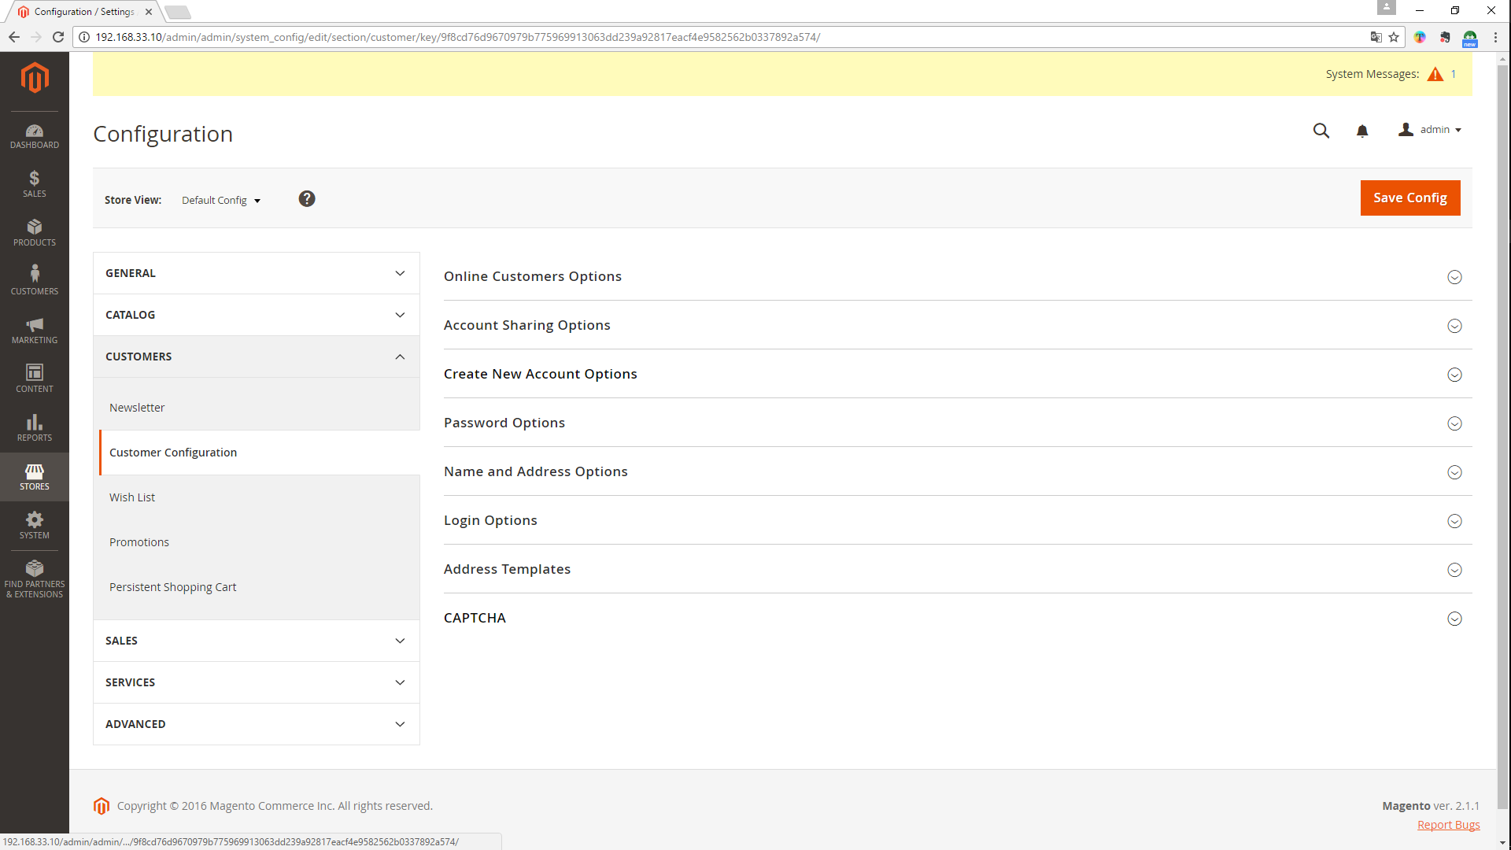
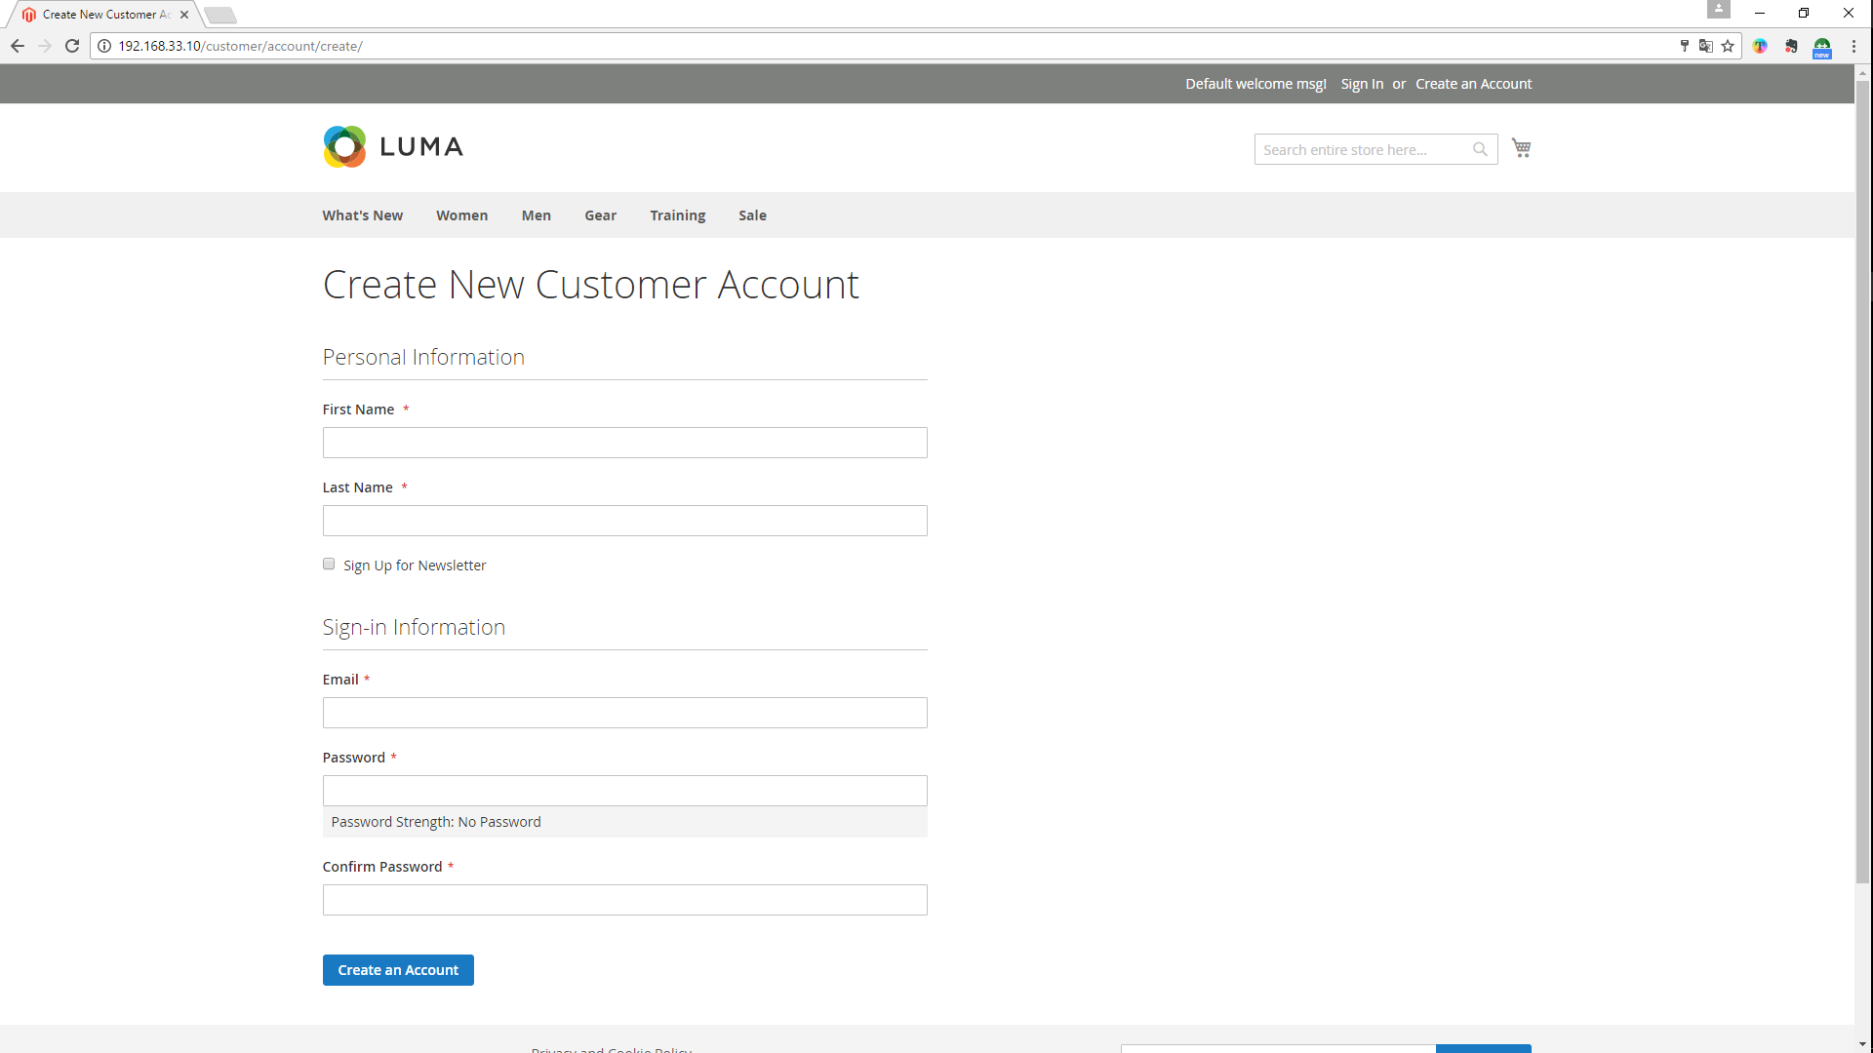
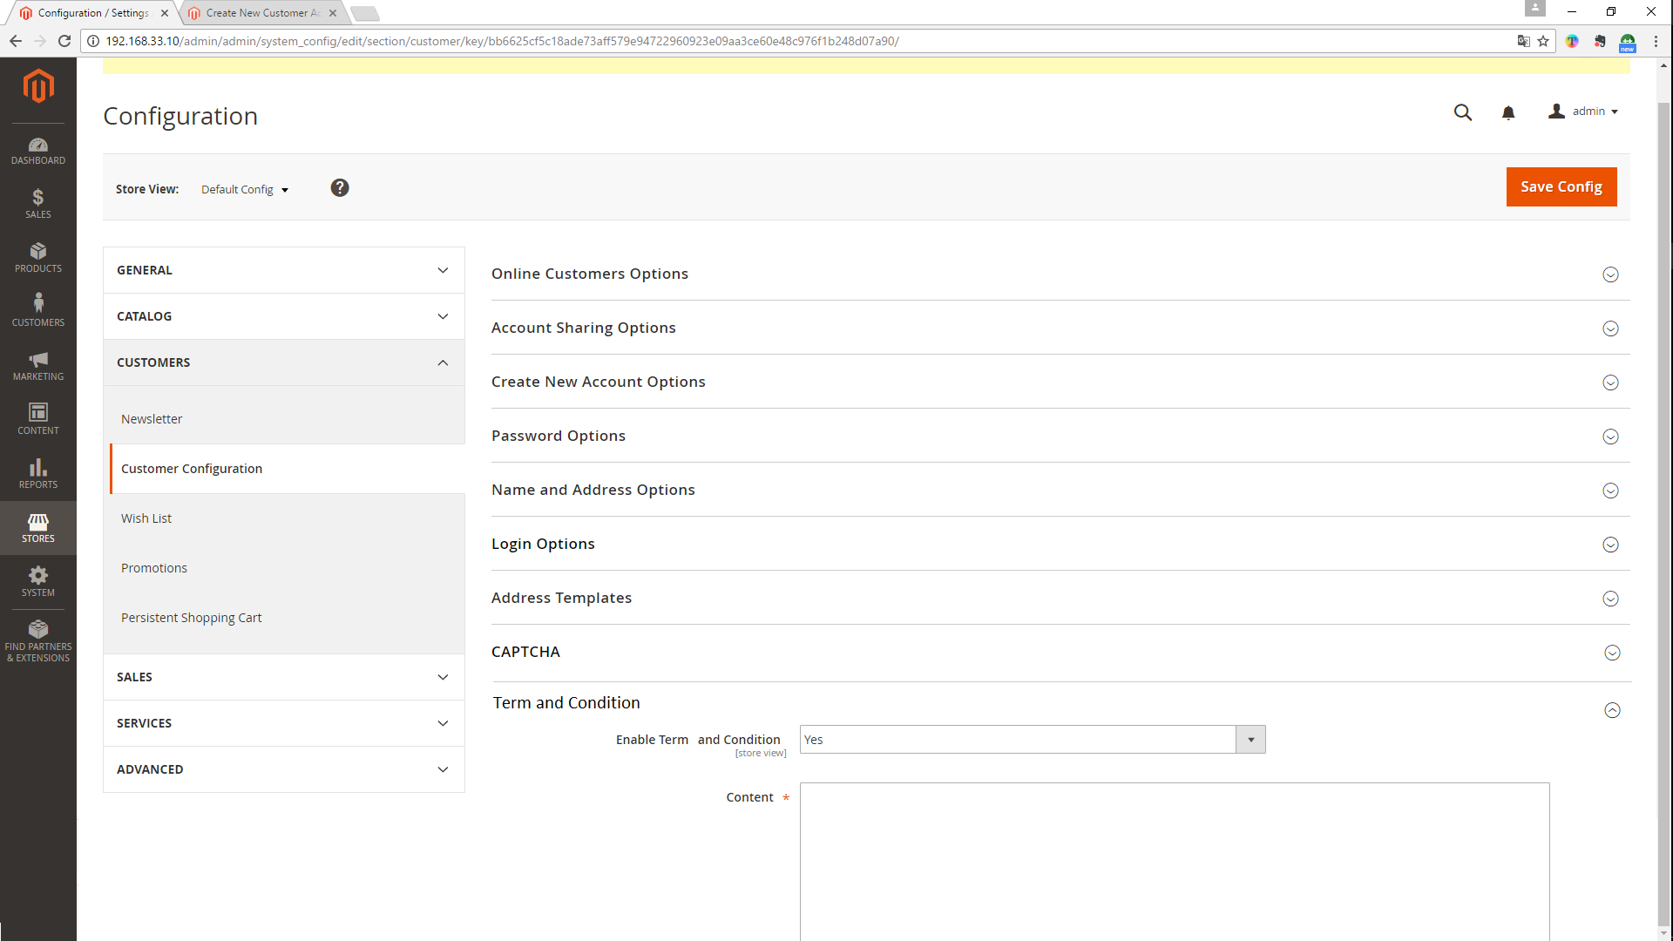
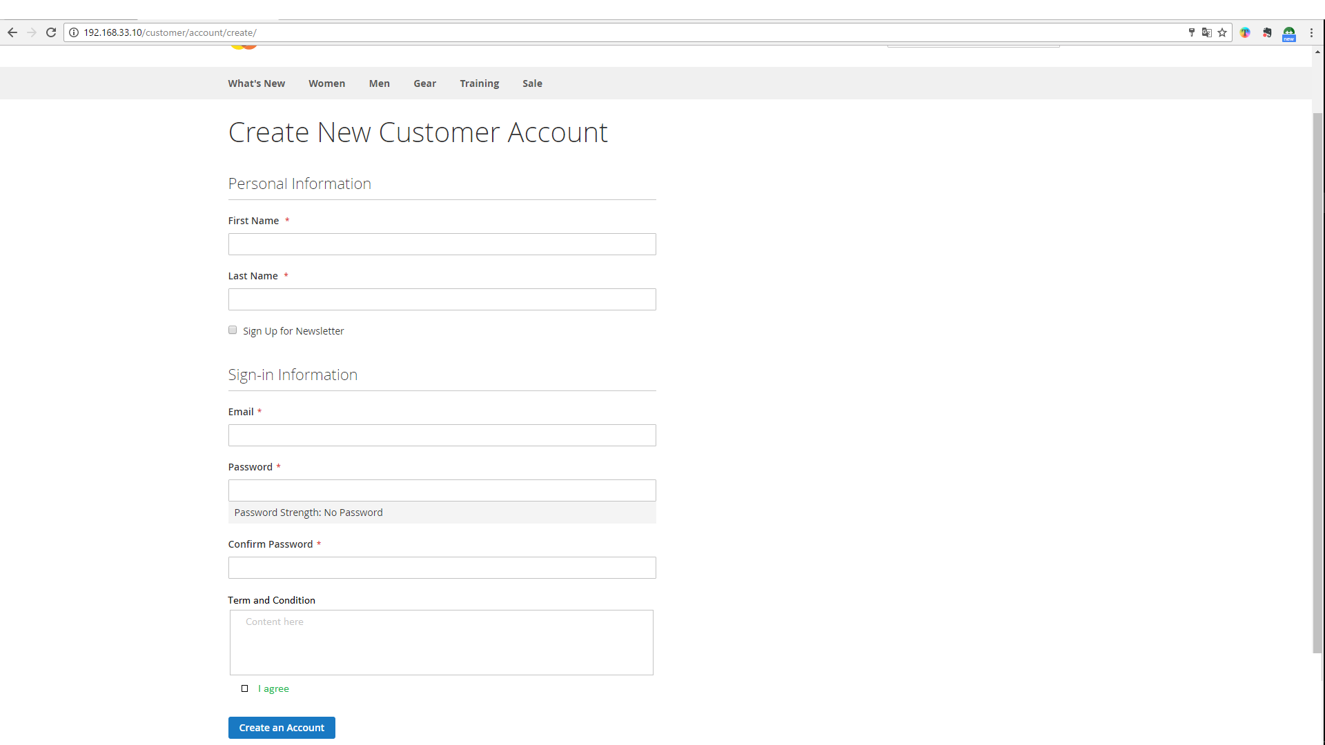
Front
[Mặc định] Màn hình đăng kí new customer account
[Thay đổi] Thêm mục term and condition, checkbox đồng ý trước button Create an Account, checkbox là điều kiện bắt buộc để được tạo account
Requrie: Admin có thể xem chỉnh sửa các thông tin điều khoản sử dụng để xác nhận khi đăng kí thành viên

Admin
[Mặc định] Màn hình Customer Configuration
[Thay đổi] Thêm mục Term and Condition, cho phép admin enable/disable, chỉnh sửa nội dung

Screen Transision
Admin

Customer Configuration

Magento Exist Screen
Extension modify Screen

Front

Customer Configuration
- Add Term and Condition
Create New Customer Account
- Show term and condition, checkbox agree before button Create an Account

Create New Customer Account
My Dashboard

Solution
Admin | confirgure term and condition on Admin Panel | Front | Initialize of New Account Screen |  |  | Create Account after set configure term and condition
Start
Start
Start

Customer Configuration
Enable Term and Condition
Create Account

End
 |  |  |  |  | No

Set Term and Condition

Agree Term and Condition
 |  |  |  | Yes
Show error
End
Show term and condition
 |  |  |  |  |  |  |  | No

 |  |  |  |  |  |  | Yes
End

Save Account

End

Screen Struct
Customer Configuration

1

2

Process: | 1. Yes/no enable tern and condition.
 | 2. Set/edit content for tern and condition

No. | Item Name | I/O style | I/O | Length | Initial display | Display conditions | Display output formats | Description
1 | enable_term_and_condition | Dropbox | I/O | - | Yes/No | - | - | -
2 | content_term_and_condition | TextArea | I/O | - | Content of term and condition | - | - | required

Create New Customer Account

Show when enable term and condition else show default display create new customer account

1

2

Process: | Show content term and condition
 | Check checkbox I agree, it requie if not check show message error

No. | Item Name | I/O style | I/O | Length | Initial display | Display conditions | Display output formats | Description
1 | term_and_condition | TextArea | - | - | Content term and condition(not edit) | enable_term_and_condition=Yes | - | -
2 | term_check | checkbox | - | - | I agree | enable_term_and_condition=Yes | - | required

